Report
Project name
version
GENERAL
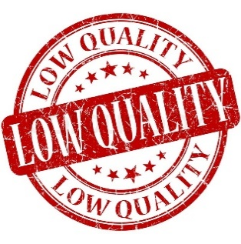 |  |  |  |  | Smoke Test
 |  |  |  |  | Acceptance Sheet
To argue the quality
 |  |  |  |  | Defect Report

 |  |  |  |  | New Defects
 |  |  |  |  | Test Documentation | Acceptance Sheet

DETAILED
Number of severities
 | 1
Number of severities
 | 1
 |  |  |  |  | Top 5 most important issues
 |  |  |  |  | ID | Severity

 |  |  |  |  | Testing environment
 |  |  |  |  | URL: Application service: Browsers: Google Chrome

 | QUALITY BY TEST TYPESQUALITY BY TEST TYPES |  |  |  | Recommendations
 | Module | Quality | Comments

 | DEFECTS VALIDATION
 | Closed | Reopened | Not tested | Total

 | QA team
 | Company: BSUIR QA Manager: Borysik M.M. QA Engineers:

